F02.CFG-Paths
 | do not print this form |  | VVSS, Info Romana, 2019-2020

 | F02. cautarea filmelor care au un anumit regizor (sau parti din numele regizorului).

 | F02. Covered source code |  |  | F02. Control Flow Graph (CFG) | F02. Cyclomatic Complexity (CC)
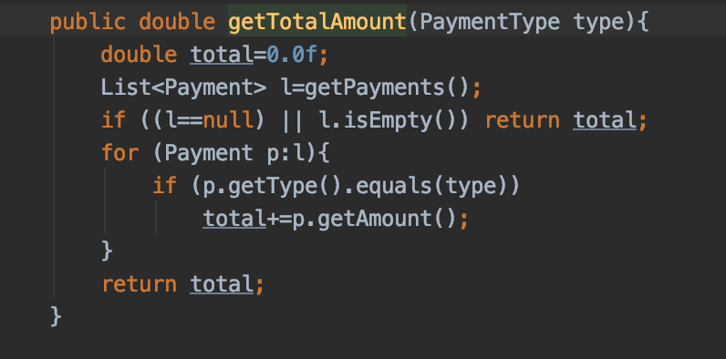
1 | Line No. | Source code |  | Please insert the CFG for this associated source code | CC1 = No. of regions = |  | 4
 | Req02_L01 | … |  | It may be a screenshot, picture, etc. | CC2 = Edges - Nodes + 2 = |  | 4
2 | Req02_L02 | … |  |  | CC3 = No. of Conditions + 1 = |  | 4
3 | Req02_L03 | …
4 | ... | …
5 | .. | … |  |  | F02. Individual Paths
6 | ... | …
 |  |  |  |  | Path No. | Path
 |  |  |  |  | F02_P01 | 1 - 2(T) - 6
 |  |  |  |  | F02_P02 | 1 - 2(F) - 3(T) - 4(F) - 3(F) - 6
 |  |  |  |  | F02_P03 | 1 - 2(F) - 3(T) - 4(T) - 3(F) - 6

